Cables and Ports
Cable Type | Photo of Port | Photo of Cable | Year/Makes (generally)
6Pin |  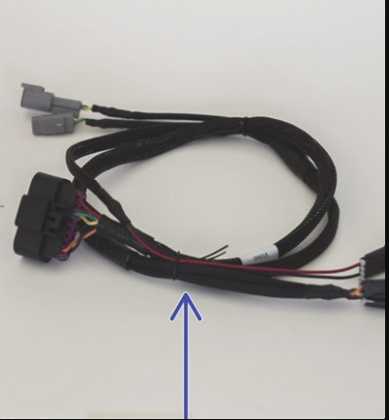 | 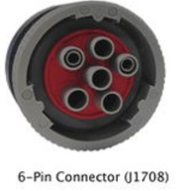 | Heavy Dutys 2000 -2002
9Pin | 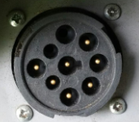 | 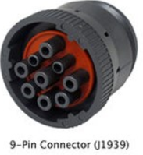 | Heavy Dutys newer than 2002-2015 // 2013-2015 Mack/Volvo trucks equipped with Cummins Engine
9Pin Peterbilt | 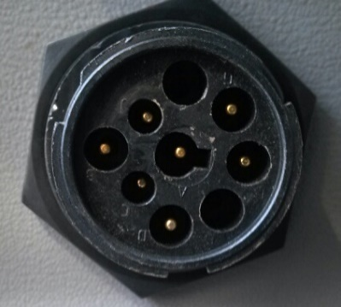 | 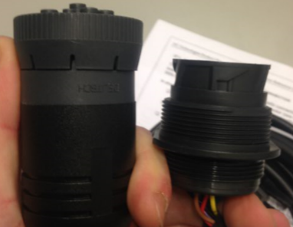 | 2003 Peterbilts through 2015 // Kenworths 2007-2015
9Pin GREEN | 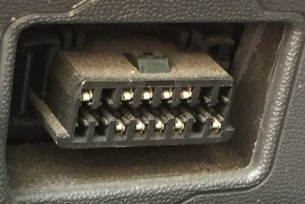 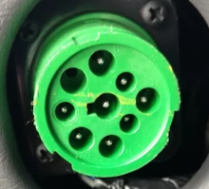 | 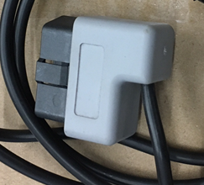 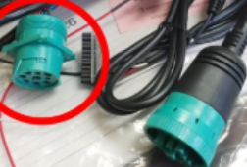 | 2016-2019 International, Freightliner and AutoCar// 2016-2018 Mack/Volvo with Cummins Engine
9Pin GREEN Peterbilt | 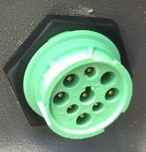 | 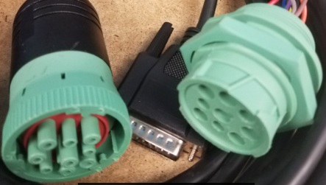 | 2016-2018 Peterbilt, Kenworth and Wester Star
OBDII XIRGO | 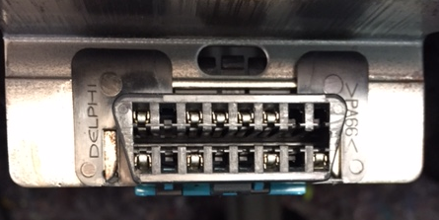 | 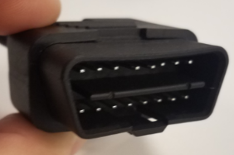 | LDs 2000-2019 // 2013-2017 Mack and Volvo Xirgo ONLY
OBDII GENX |  |  | LDs 2008-2019. GenX Only
RP1226 | TBD | 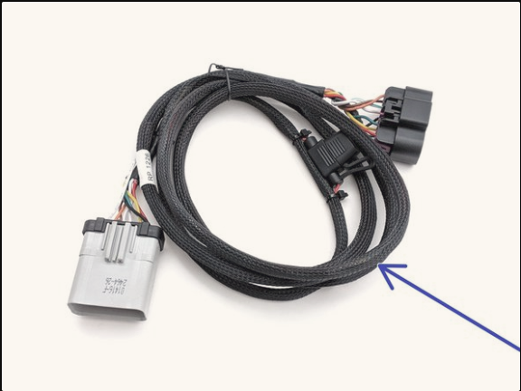 | Certain 2019-2020 Peterbilt / Kenworth Models & Requires Xirgo Adapter
Xirgo XT63XX Adapter | 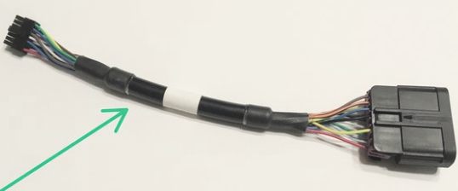 N/A |  | Replaced standard 3-wire harness and is required for new Rp1226 and Mack/Volvo Backbone cable, gets power from ECM
Mack / Volvo Backbone

